Cover Page



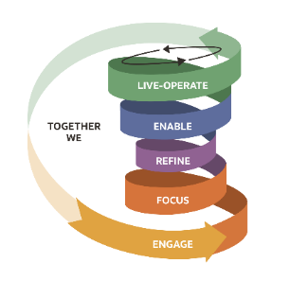
Order Management
Configuration Workbook
Revised to Release 13 Update 22C
Fusion ERP Transformation Project

Al Faisal Holding
Change Record
Date | Author | Version | Change Reference
2022-09-28 | Bhashita Singh | 1.0 | Initial Draft version
2023-05-20 | Bhashita Singh | 1.2 | Updated

© Copyright 2020 Oracle Consulting.
Oracle Consulting and Al Faisal Holding confidential

Overview
Key features of this configuration workbook and links to configuration reference documents are available on the Overview worksheet.
 | Order Management Configuration Workbook |  |  | Revised to Release 13 Update 22C

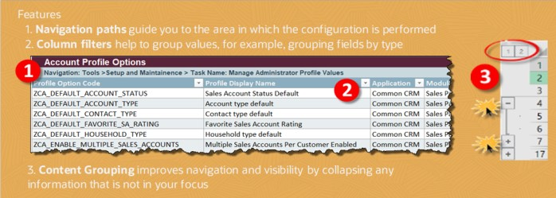
 | Purpose
 | This Configuration workbook is designed to:
 | ▪ | Capture the configuration values that are developed during implementation
 | ▪ | Assist in developing customer administrator competency
 | ▪ | Assist in configuration validation activities and instance migrations
 | ▪ | Assist as a reference after application upgrades

 | Configuration Reference Documents
 |  | Oracle Order Management - Implementing Order Management (22C)
 |  | This guide provides customers who are implementing Oracle Inventory Management Cloud for the first time with the concepts and procedures they need to implement Inventory automation solution in an Oracle Inventory Management Cloud environment. It provides a high-level introduction to some best practices for implementing applications in Oracle Inventory Management Cloud.

 |  | Oracle Order Management - Using Order Management (22C)
 |  | This guide describes user tasks for the inventory lifecycle management process including Inventory Receiving, Consigned, Shipping and Supplychain Orchestration
 |  | Oracle Applications Cloud Using Functional Setup Manager (22C)
 |  | Oracle Functional Setup Manager provides an integrated, end-to-end process for functional administrators to manage the implementation and maintenance of Oracle Applications Cloud. Functional Setup Manager offers: ▪ Standardized application configuration and setup experience ▪ Feature opt-in for a best fit configuration ▪ Guided task list for end-to-end setup requirements and comprehensive reporting on setup data ▪ Export and import services for setup data migration between environments
 |  | Oracle Applications Cloud Groovy Scripting Reference (22C)
 |  | This document explains how to use the Groovy scripting language to enhance your Application Composer applications.
 |  | General Instructions on the colors used:
 |  | Table Headers - The table headers are shown in two colors. If a particular captures the header & line info both then two different colors are used to identify the sections within the table. | HEADER SECTION | LINE SECTION | THIRD TABLE

 |  | Mandatory or conditionally Mandatory Fields | INFO REQUIRED

 |  | No Data should be passed in the cell. This is just a Place holder. | Place Holder

 |  | Macro button to identify all the mandatory fields with missing data
 |  | Macro button to insert table rows

 | Copyright © 2020, Oracle and/or its affiliates. All rights reserved. This document is provided for information purposes only, and the contents hereof are subject to change without notice. This document is not warranted to be error-free, nor subject to any other warranties or conditions, whether expressed orally or implied in law, including implied warranties and conditions of merchantability or fitness for a particular purpose. We specifically disclaim any liability with respect to this document, and no contractual obligations are formed either directly or indirectly by this document. This document may not be reproduced or transmitted in any form or by any means, electronic or mechanical, for any purpose, without our prior written permission.
 | Oracle and Java are registered trademarks of Oracle and/or its affiliates. Other names may be trademarks of their respective owners.
 | Intel and Intel Xeon are trademarks or registered trademarks of Intel Corporation. All SPARC trademarks are used under license and are trademarks or registered trademarks of SPARC International, Inc. AMD, Opteron, the AMD logo, and the AMD Opteron logo are trademarks or registered trademarks of Advanced Micro Devices. UNIX is a registered trademark of The Open Group. 0117

 | The Data provided in this CWB is for reference only

OM Offerings
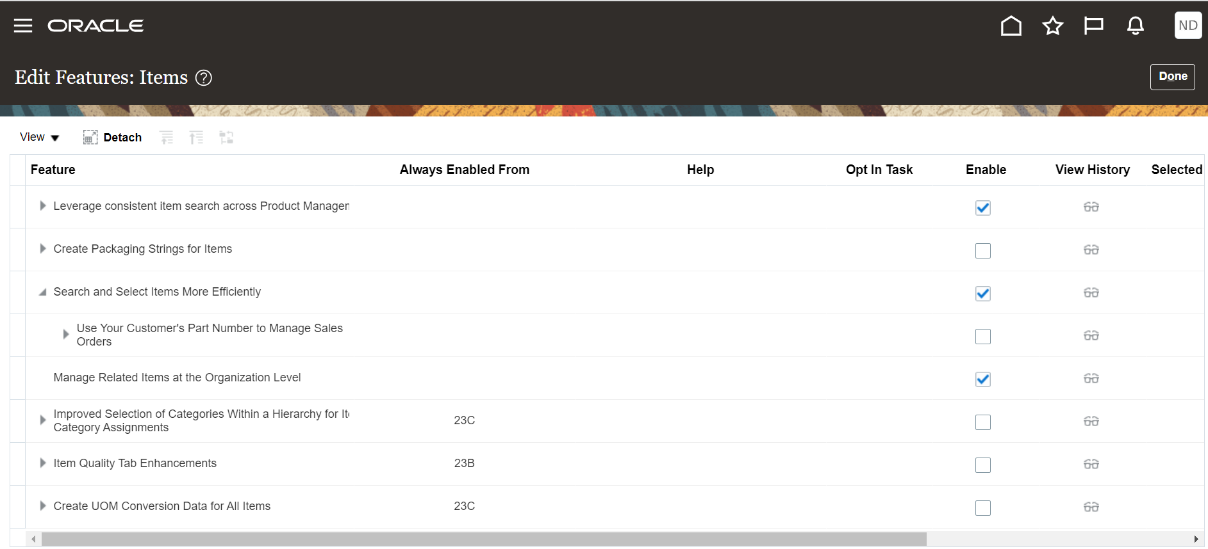
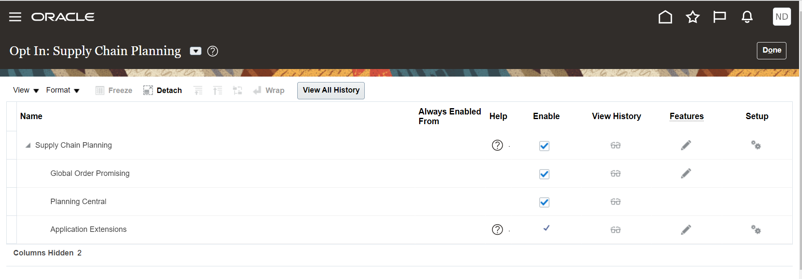
i | Manage Offerings |  |  | O Contents
 | Navigation: FSM > Order Management> Actions> Change Features Selection

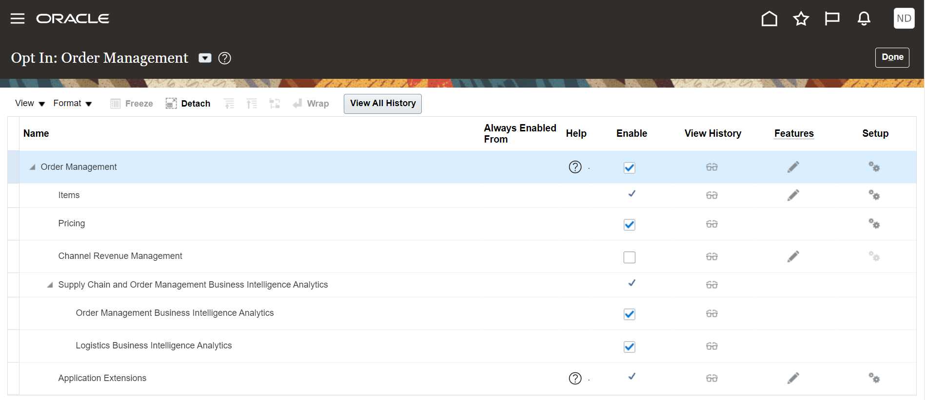

 | Order Management Features
 | Features | Enable For Implementation | (I) Select Feature Choices
 | Maintain Common Reference Objects | Yes
 | Governance, Risk and Compliance | No
 | Local Installation of Help | Yes
 | Transformation Rules | Yes
 | Order Holds | Yes
 | Drop Ship | No
 | Enterprise Structures Guided Flow | Yes
 | Application Toolkit Component Maintenance | Yes
 | Click To Dial | No
 | Enterprise Scheduler Job Definitions and Job Sets | No
 | Enable Custom Payloads for Downstream Integration | Yes | Enable for Invoice, Return, Shipment
 | Specify Business Unit for Selling Profit Center for Goods and Services Tax | No
 | Manage Shipment Tolerances for Sales Orders | No
 | Collaboration Messaging | Yes
 | Reduce Inventory When a Sales Order Doesn't Require Picking or Shipping | No
 | Create and Fulfill Sales Orders and Transfer Orders in Dual Units of Measure | Yes
 | Update Attributes on Split Order Lines for Partial Shipments | Yes

Manage Contract Approvals
i | Manage Contract Types |  |  |  | O Contents
 | Navigation: FSM > Manage Task Configurations For Customer Relationship Management
 | Required Role: Financial Application Administrator

 | BPM Task Configuration, choose the Contract Approval task and click on edit pencil in the left upper corner
 | Name | Edit Icon | Start Synchronization | Column1 | Column2 | Column7 | Column8 | Column9 | Column10 | Column11 | Column12 | Column13 | Column14 | Column15
 | ContractsApproval | Yes | Yes

 | Go to Assignees tab and Create a new rule
 | Name | Description | Priority | Active | Effective Date
 | AFH Contract Auto Approval Rule | AFH Contract Auto Approval Rule | Highest | Yes | Always

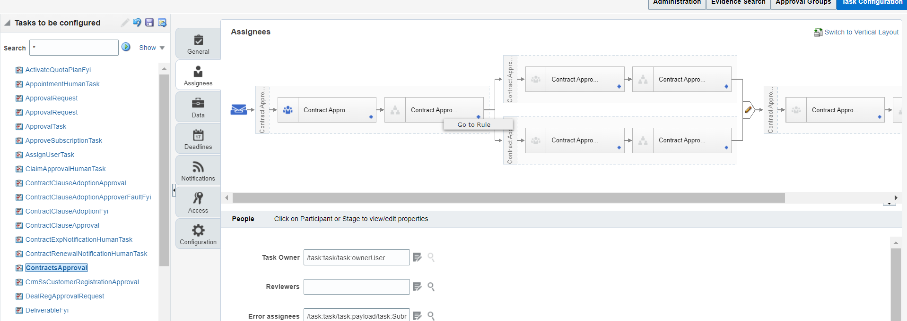

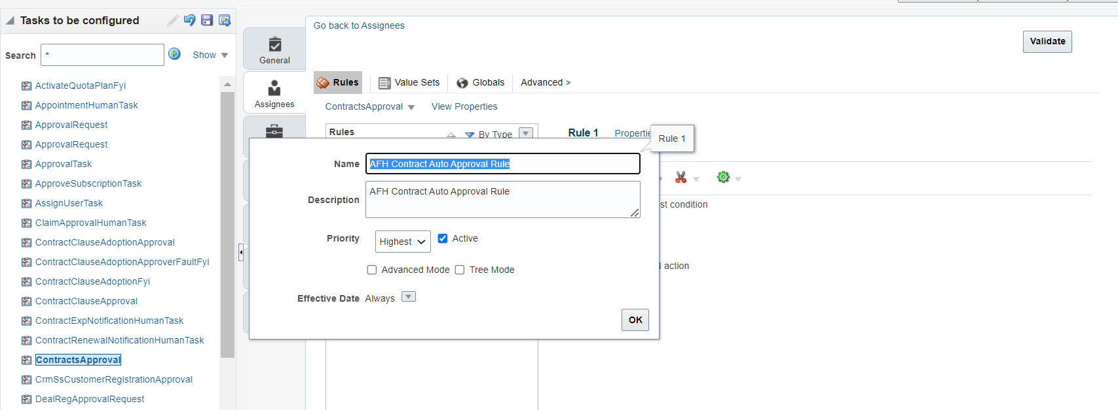

 | Here you will setup Auto Approval rule. In the example below the Auto-Approval it is set for all contracts

 | a) Edit IF condition to : 1 is 1

 | b) Under Then block Choose
 | List builder : Supervisory
 | Response type: Required
 | Number of levels: 1
 | Starting Participant:
 | HierarchyBuilder.getPrincipal(Task.payload.submitter,-1,"","")
 | Top Participant:
 | HierarchyBuilder.getPrincipal(Task.payload.submitter,-1,"","")
 | Auto action enabled: True Auto
 | Action: "APPROVE"

 | Note: Please make sure all the other rules are inactive.

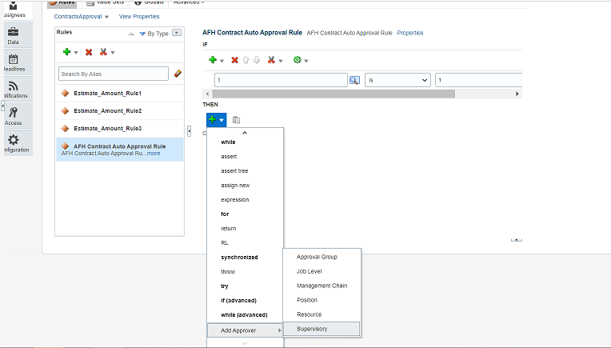

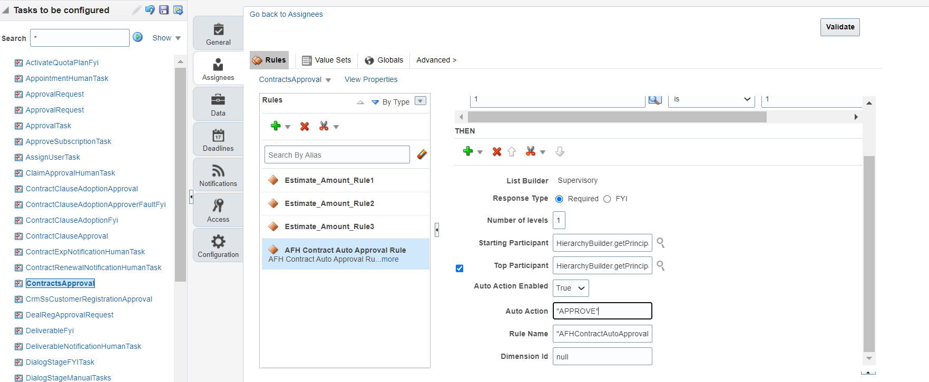

 | Save and Commit.

